Sheet1
 |  | Document No. | Issue No. | Issue Date |  | Review and Replace Date |  | Authorised By
 |  | GFF387MC | 1 | 19.01.2023 |  | New Issue
 |  | Document Title | Gc- 15 Vegetable Samosa | Jumbo | 2100G -High Risk
 |  |  |  |  |  |  |  | Magda Shah
Document amendments reason for change |  | New Document | Page 1 of 1 |  | Previous Issue Date |  | New Issue | Uncontrolled copy unless signed original

FVSAJ-B15B | Gazebo |  | Gc- 15 Vegetable Samosa | Jumbo | 2100G X 1
STEP 1 |  |  |  |  | STEP 2
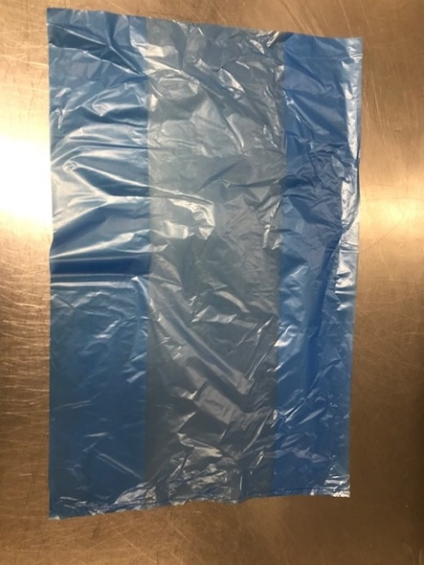

PACK DAY + 1 YEAR
NON-MAP PACK

Bag: Blue Bag-(PKPMC001-02) |  |  |  |  | Vegetable Samosa XL (Jumbo) 140G(GFF039R): 15 Pieces (2100g)

STEP 3
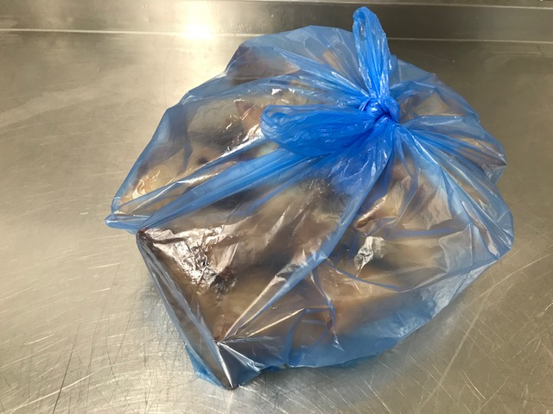

TOTAL WEIGHT: 2100g

ALLERGY ALERT: Wheat

